Sheet1
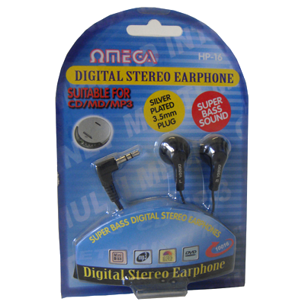
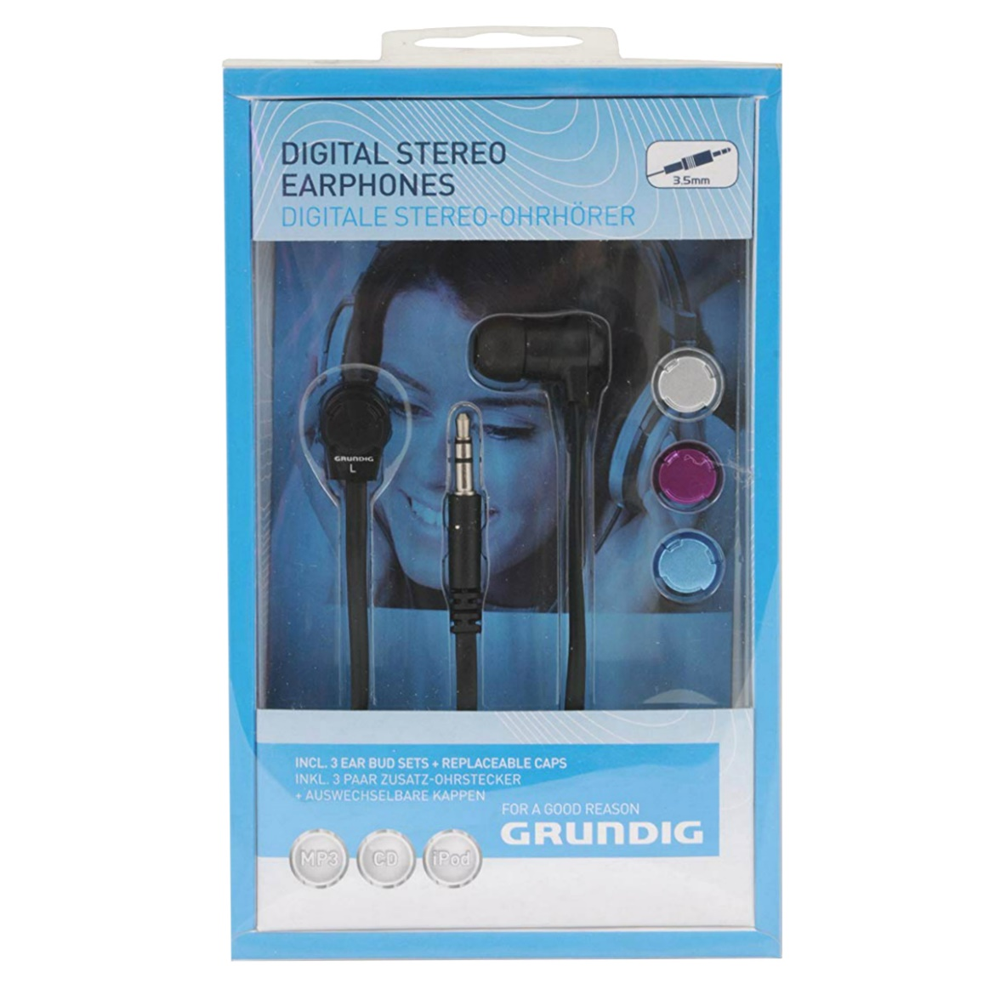
No. | Item Status | Description | Inventory | Barcode | Commodity Code | Country/Region of Origin Code
GRUNDIG
GR-76590 BLACK | LIVE | Grundig Plug Earphone | 363 | 8711252765907 | 85183000 | CN
GR-GHI1525S SILVER | LIVE | Gurundig Earphone w/Loop 4 MP3 2.5mm | 153 | 5030498152504 | 85183000 | CN
GR-51539 | LIVE | Digital Stereo Earphone, Flat Cable w/3 Caps | 130 | 8711252515397 | 85183000 | CN
GR-76591 | LIVE | Earphone 2.5mm & 3.5mm for MP3, iPod | 75 | 8711252765914 | 85183000 | CN
GR-76528 | LIVE | Grundig Deep Bass Headphone for MP3, Ipod | 19 | 8711252765280 | 85183000 | CN
OMEGA
02053 | LIVE | Mayday AM/FM Radio | 10,290 | 005356548251 | 85271900 | CN
08960 | LIVE | * Portable Speaker for IPOD, MP3, CD Player | 1,458 | 5023588089606 | 85182100 | CN
10016 | LIVE | Earphone Nickel Plug, 1.2 Metre Cable | 1,920 | 5023588100165 | 85183000 | CN
10016 BLUE | LIVE | Earphone Nickel Plug, 1.2 Meter Cable | 2,949 | 5023588100165 | 85183000 | CN
10057 | LIVE | Omega HP-57 Canal Style. Earphone | 2,121 | 5023588100578 | 85183000 | CN
10062 | LIVE | HP-62 2.5mmJACK Earphone W 3.5mm Adptr | 1,295 | 5023588100622 | 85183000 | CN
10711 | LIVE | AV-11 2.5mm to 3.5mm ADAPTOR BULK PACK | 527 | 5023588107119 | 85189000 | CN
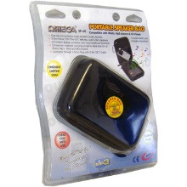
 |  |  | 20,773
